Sheet1
REF | IMAGE | BARCODE | DESCRIPTION | QTY
MIN90022BLB01OS | 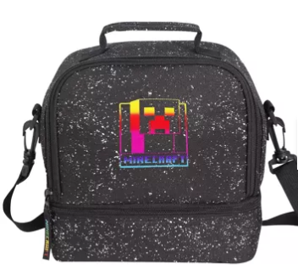 | 5056497243234 | (Popgear) Minecraft Creeper Rainbow AOP Print Kids Lunch Box One Size | 13
MIN90025BLB01 | 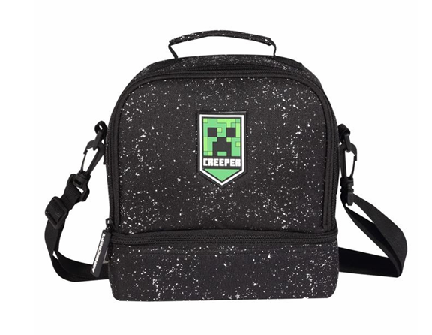 | 5056497243265 | (Popgear) Minecraft Creeper AOP Print Boys & Girls Lunch Box Black | 2,500
MIN90032BLB60OS | 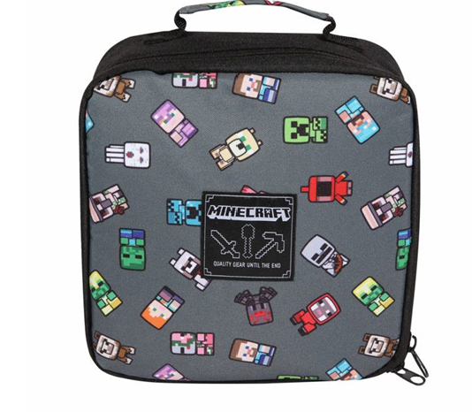 | 5056472100620 | (Popgear) Minecraft Mini Characters Kids Lunch Box One Size | 20
MNS90005BLB66OS | 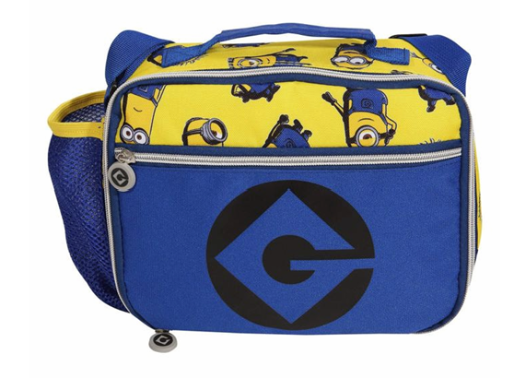 | 5056497211578 | (Popgear) Minions - Characters (Kids Lunch Box) One Size | 289
JUW90005BLB37OS | 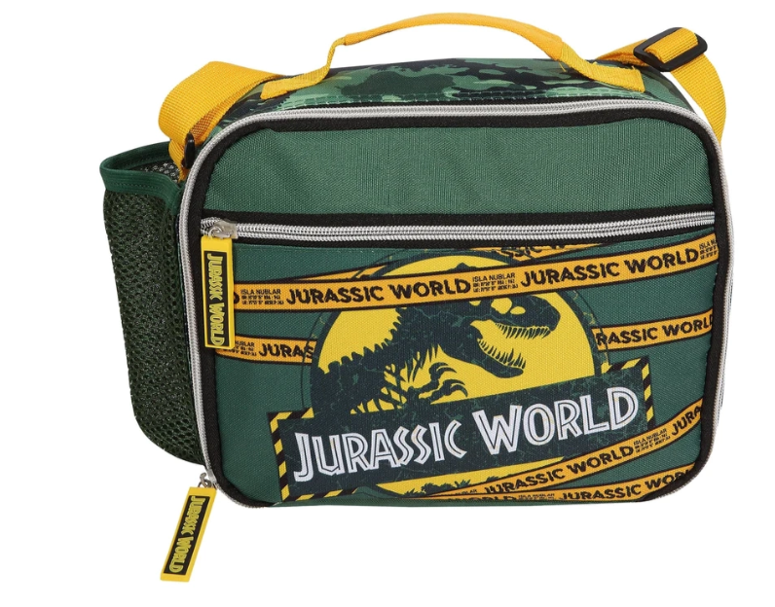 | 5056497211653 | (Popgear) Jurassic World - Park Logo (Kids Lunch Box) One Size | 107
 |  |  |  | 2,929

